Cover
TypeAProject
ServiceNow Utilization Guide（PM Edition）

 | Version | 0.1 | Date | 2023-03-22

※ | This document is based on ServiceNow specifications as of 2023/03.
 | It is expected that the DP ServiceNow will change in the future due to changes in ServiceNow specifications and the release of various tools.
 | Please check the following for the latest information.
 | Fujitsu Developers Platform Hub
 | https://fujitsu.sharepoint.com/sites/jp-dp-portal/SitePages/en/Home.aspx

© 2023 Fujitsu Limited

Work Flow
Table of contents

PM Work Flow

 | Beginning of Project
 |  | Register common project information
Register Quality control unit

 |  | Set up the project structure and register information
Register Program

Register Project

Register of estimated scale

Register of quality indicators

Register project tasks
Associating test plans and review records with tasks

Register test plan

 | During project
 |  | Update project information

 |  | Monitor project status
Check project status

Confirmation of time card
(member's actual hours)

Task registration for re-review
 |  | Review

Defects ticket management
 |  | Test

Change request registration
 | Report
Progress report

Quality evaluation and review

Hands-on project structure
Table of contents
 | Hands-on will proceed with following project(ServiceNow) structure.

SNB program
Quality_Control_Unit1

Quality_Control_Unit2

SNB Project
Quality_Control_Unit3

Log in
Table of contents

Connection to ServiceNow
 | https://fujitsu01.service-now.com/

 |  | Check domain scope first after login
 |  | If you join multiple project, you will be registered in multiple domains (project rooms) in ServiceNow. Please confirm that the domain scope is correct.

1
 |  | method
 |  | 1 | Click on the right.

 |  | 2 | Make sure the "Domain Scope" is correct.
 |  | 3 | If a different domain scope was selected, select the correct domain scope.
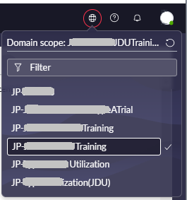
2

3

Quality control unit regist
Table of contents

Registration og quality control unit choices |  |  |  |  |  |  | source
 |  |  |  |  |  |  | ServiceNow_CommonUserGuide_Eng.pdf
Quality control unit 1 to "Quality control unit 4" are items to be set for the domain, so the common setting values are used for all "projects" within the domain. |  |  |  |  |  |  | 1.10 Customization of input items (User: Manager/ person in charge) (2) Choice creation
By setting "Quality Control Unit 1" to "Quality Control Unit 4" when registering "Review Record", "Defects", and "Test Plan", quality evaluation can be performed for each quality control unit.

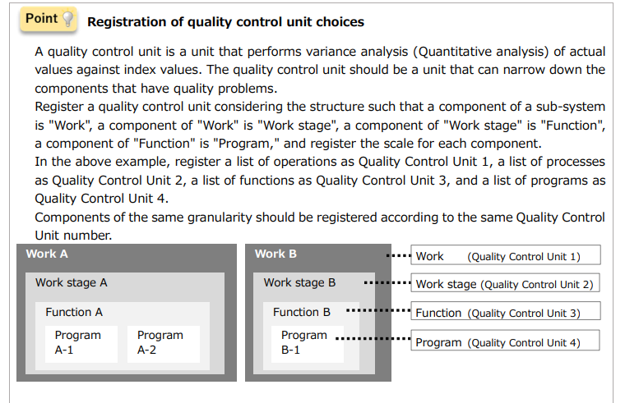

Create choices
(1) Options for quality control items
1 | Select "All" from the menu at the top.
2 | Enter "Choice" in the filter of the menu and select "Choice classifications" under "Choice Setting".

3 | The "Choice list" screen will be displayed. Click the "New" button.
 | ※Choices whose "Domain ID" is "Global" cannot be updated or deleted.

 |  |  | Register the quality control unit (it will be the evaluation unit of the quality evaluation tool and dashboard)
 |  |  | Item name | Parent choice | Class name | Choice name
 |  |  | Input field |  | 品質管理単位１/Quality_Control_Unit1 | yournameProject
 |  |  |  | yournameProject | 品質管理単位２/Quality_Control_Unit2 | yourname_business
 |  |  |  | yourname_business | 品質管理単位３/Quality_Control_Unit3 | yourname_User registration

 |  |  |  | ※Replace yourname with your family name (unique in Domain)

4 | The "Choices" screen is displayed. Click for "Class name".

4

5 | A list will be displayed. Select "品質管理単位1/Quality_Control_Unit1".

5

6 | For "Quality control unit 1", do not enter anything in "Parent choice".
 |  | Do not use duplicate choice for option names.
 |  | If the Choice name is duplicated, it will lead to selection mistakes when entering on various screens.
7 | clike 'Submit'

6
7

8 | The “Choice list” screen is displayed. Next, register options for quality control unit 2.
 | Click "New"

9 | The "Choices" screen is displayed. Click for "Class name".

9

10 | A list will be displayed. Select "品質管理単位2/Quality_Control_Unit2".

10

11 | Confirm that the selected taxonomy name is displayed. Enter the information decided on the "Project basic information sheet" in "Choice name".
 | For "Quality control unit 2", select the option of "Quality control unit 1" in "Parent choice".
12 | Click Submit

12
11

13 | Repeat steps 8 to 12 to register other options for "Quality Control Unit 3".
14 | Repeat steps 8 to 12 to register other options for "Quality Control Unit 4".

(1) Options for Target_version
Register choice for the target version used in the defects ticket.

1 | Select "All" from the menu at the top.
2 | Enter "Choice" in the filter of the menu and select "Choice classifications" under "Choice Setting".

3 | The "Choice list" screen will be displayed. Click the "New" button.

4 | The "Choices" screen is displayed. Click for "Class name".

4

5 | A list of class name is displayed. Select 対象バージョン/Target_version.
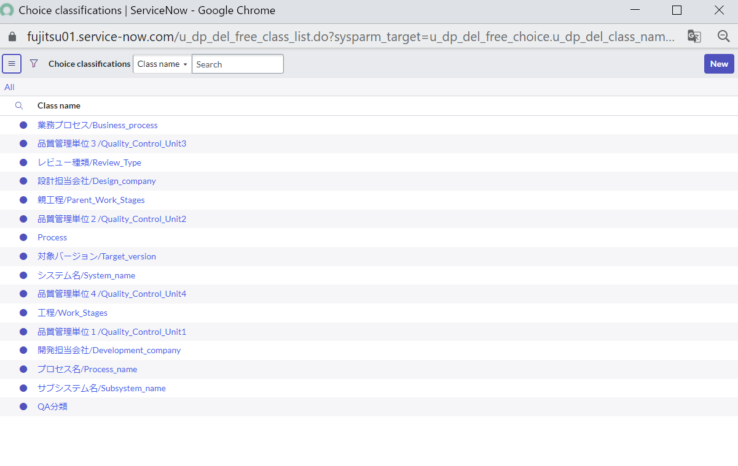

5

6 | Confirm that the selected class name is displayed. Enter the information decided on the "Project basic information sheet" in "Choice name".
 | Do not enter anything in "Parent Choice".
7 | Click the "Submit".

7
6

8 | Repeat steps 3 to 7 to register other options for the target version.

Program registration
Table of contents

 |  |  | Register Program

 |  |  | Item name | Input field | Item description | example
 |  |  | Program name | 000000yournameProject | pipeline IDYourname Project name Please enter a user name that you can identify yourself | 000000LiProject
Program registration |  |  | Program manager | YourName
Register the program First, register the program. This section describes how to register the program. |  |  | Planned start date | 4/3/23
 |  |  | Planned end date | 6/30/23

1
1 | Select "All" from the top menu. |  |  | ※Replace yourname with your family name (unique in Domain)
2 | Enter "Programs" in the filter of the menu.
3 | Select "Create New" under "Program".
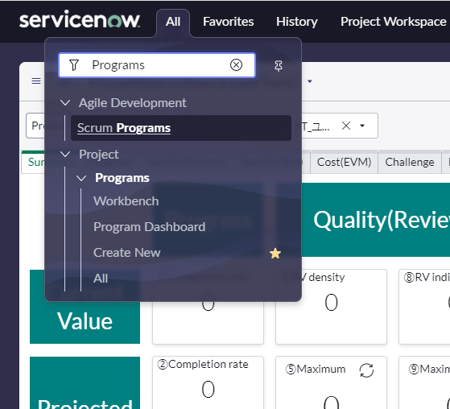
2

3

4 | Enter each item. Items other than the following are optional.

 | Item Name | Concents
 | Program Name | Set according to the "program name" in the "project basic information sheet".
 | Program manager | ASPM's name
 | State | Select “Pending” when issuing a ticket, and change it later when the status changes.
 | Description | Insert the "work content" of "2.3. Constraints and conditions for JDU development work" in the project plan. Or give an overview.
 | Planned start date | Insert the dates of the master schedule.
 | Planned end date
 | *For a detailed explanation of each item, please refer to "5.1.1 Program" in "Usage Guidelines" on the DP site.

5 | Click 'Submit'
4
5

6 | All programs are listed, including the one you created. Continue to "Project registration".

Project registration
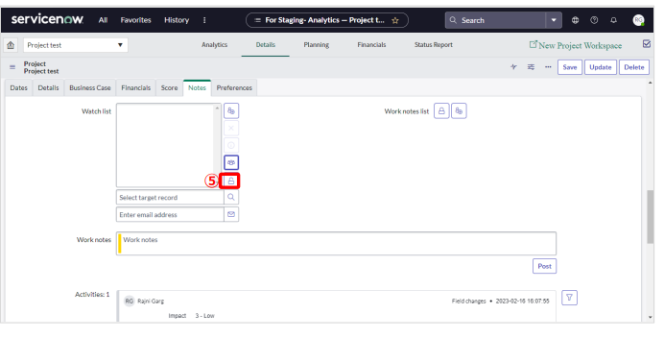
Table of contents

Register Project
 | Register the "project" under the "program".
 | Please refer to "TypeA Project Hierarchy Structure" for the project hierarchy structure.

 |  | After registering or updating the project management information, the members entered in the assignment and the people on the watchlist will be notified by email.
 |  | How to register a watchlist will be described later.

 | If you start "Project Registration" after "Program Registration", start from step 4.)
1 | Select "All" from the top menu.
2 | Enter "Programs" in the filter of the menu and select "All" under "Programs".
3 | Select the desired program. The program screen is displayed.
4 | Select the Projects tab.
5 | Click the "New" button.
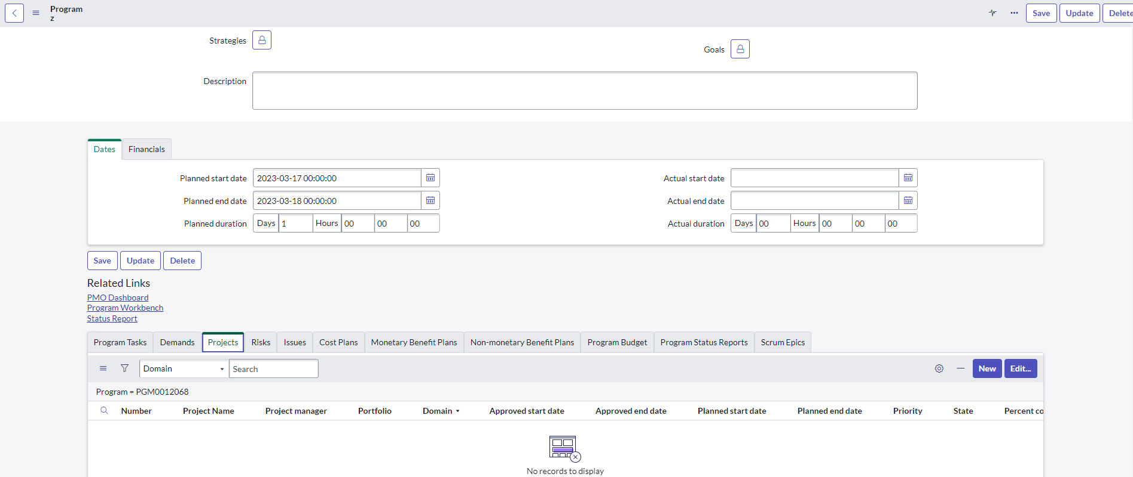
 | * To update a project that has already been created, click the target project number and proceed to step 8.

5
4

 |  |  |  | Project registration:User registration PT
 |  |  |  | Item name | Input field | Item description | example
 |  |  |  | Project Name | 000000YournameProject_PT_UserRegistration | pipeline ID+Yourname +Project name_phase_FunctionName Please enter a user name that you can identify yourself | 000000LiProject_PT_UserRegistration
 |  |  |  | Project manager | Yourname
 |  |  |  | State | Open
6 | The initial screen of the "Project" screen is displayed. Enter each item referring to the following. Except optional enter. |  |  | Approved start date | 6/1/23
7 | click 'Save' |  |  | Approved end date | 6/30/23
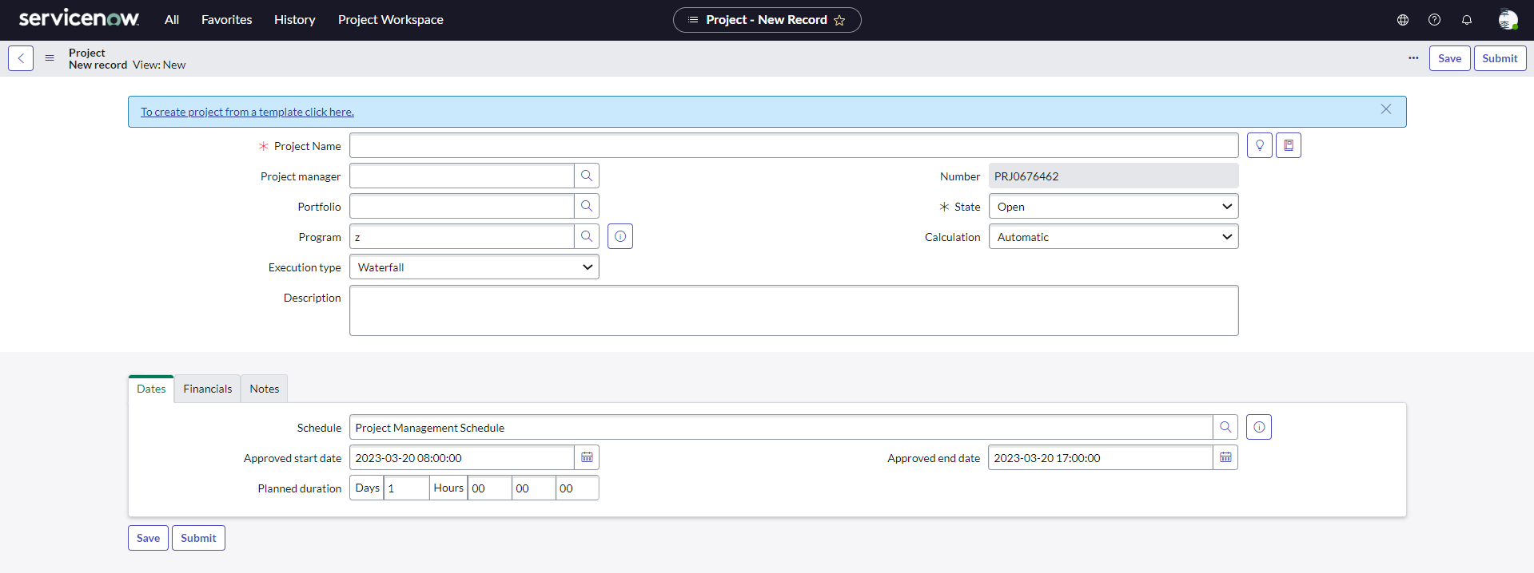
7
 |  |  |  | Work Stages SDEM2.0 Compliant | PT
 |  |  |  | SE Business Negotiation Number | 0
6
 |  |  |  | Update actual effort from time card | No

 | Item Name |  | Concents
 | Project Name |  | Set according to the "Project Name" in the "Project Basic Information Sheet". Example: 000000PJname_PS
 | Project manager |  | ASPM or JDUPM's name
 | State |  | Select “Pending” or “Open”. Select "Work in progress" while the process is is work in progress, and select "Closed complete" when the process is complete.
 | Description |  | Insert the "work content" of "2.3. Constraints and conditions for JDU development work" in the project plan. Or give an overview. Example: for ASPM management of ABC
 | Approved start date |  | Insert the dates of the master schedule.
 | Approved end date
 | *For a detailed explanation of each item, please refer to "5.1.2 Project" in "Usage Guidelines" on the DP site.

8 | The "Project" details screen is displayed. Enter each item referring to the following. Optional except for the following.

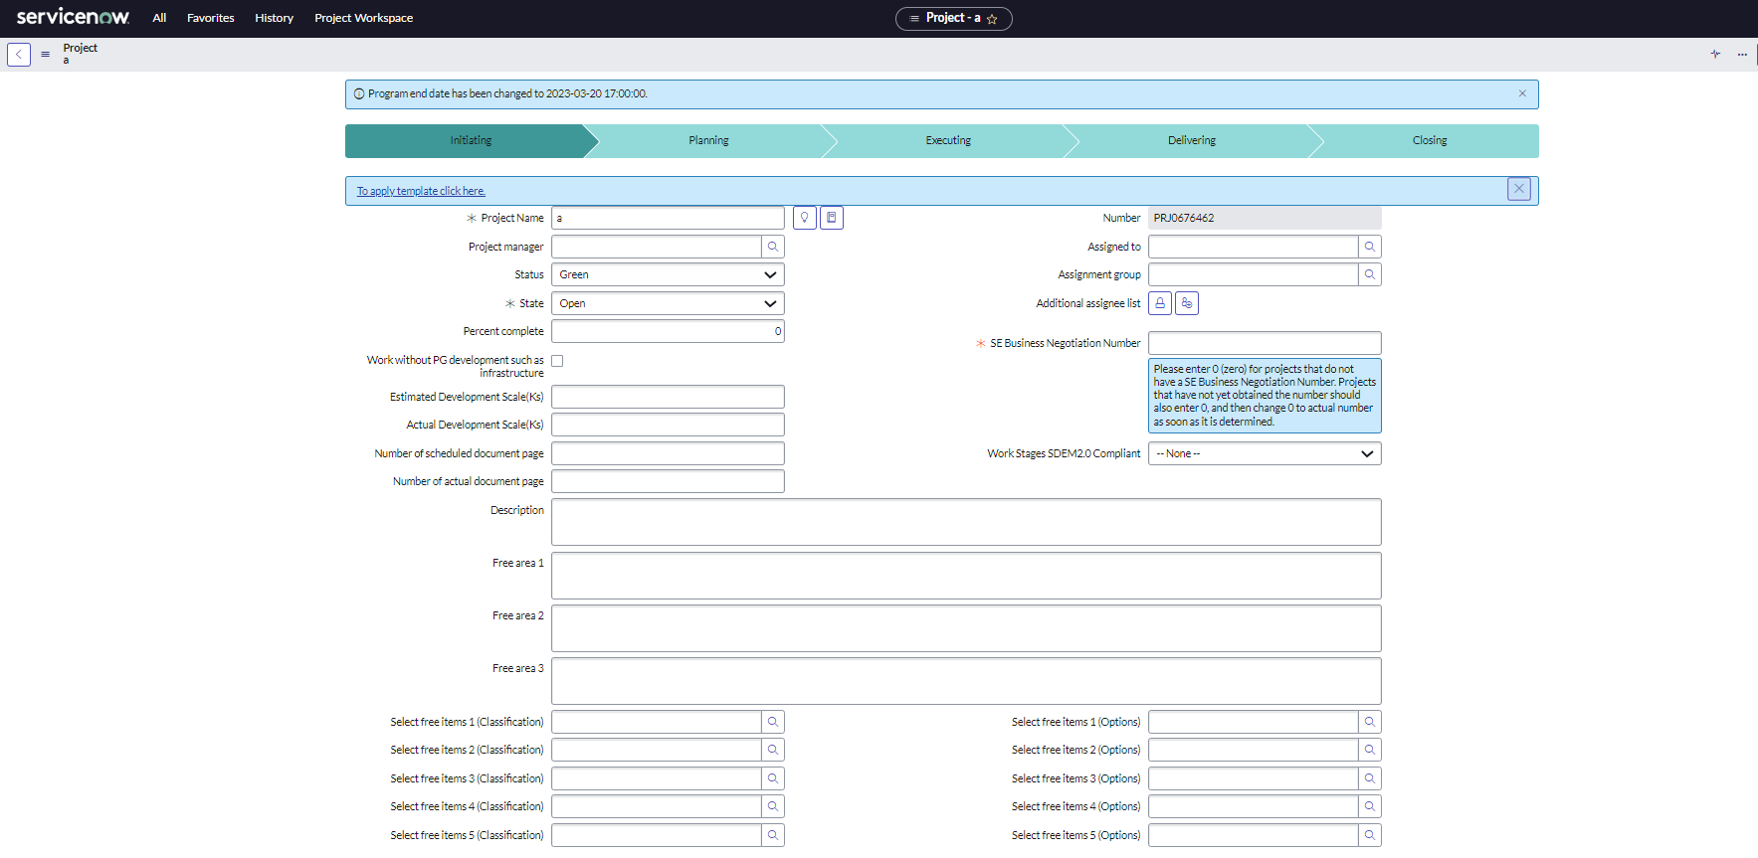

 | item name |  | concents
 | Percent complete |  | Do not enter.
 | Work without PG development such as infrastructure |  | Check the box if applicable.
 | Estimated Development Scale(Ks) |  | Do not use it. Items for the old dashboard.
 | Actual Development Scale(Ks)
 | Number of scheduled document page
 | Number of actual document page
 | Assigned to |  | Set the member or group to assign. You can set it later.
 | Assignment group
 | Additional assignee list Unlock Additional assignee list
 | SE Business Negotiation Number |  | Check SE-Partner2, if you do not know insert '0'
 | Work Stages SDEM2.0 Compliant |  | Select the appropriate process name. Select "None" for "PT preparation" and "IT preparation". If this item is not set, it will not be included in the quality evaluation report.
 | Dates tab items |  | concents
 | Approved start date |  | Insert the dates of the master schedule.
 | Approved end date
 | Planned start date
 | Planned end date
 | Actual start date |  | the actual strt date.
 | Preferences tab items |  | concents
 | Update actual effort from time card |  | Select "No". If set to "No", the "Actual effort" of the project task can be entered.

 |  | There is a "Subproject" tab under the project, but "Subproject" is not used because the value is not recorded in the dashboard or quality control.

Register Watch list
After registering or updating project management information, an email will be sent to the members entered in the assignment.
At that time, the person registered in the watch list will also be notified by e-mail. The following shows how to register a watchlist.
1 | Select the "Details" menu on the displayed Project screen.
2 | Select the "Notes" tab.
3 | Click the"Watch List".
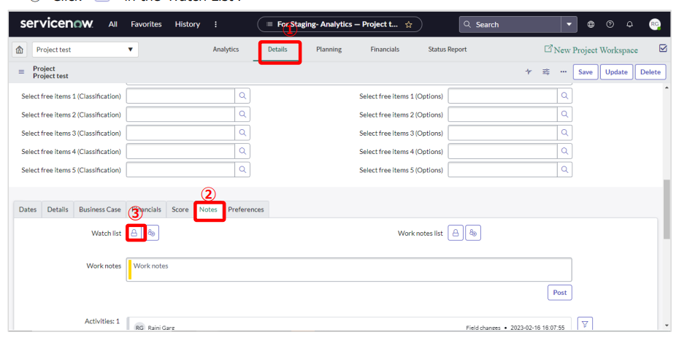

4 | Click " " and select the person you want to register in the watch list. *You can also Add/ Remove multiple people by clicking" ".
 | *You can also Add/ Remove multiple people by clicking"

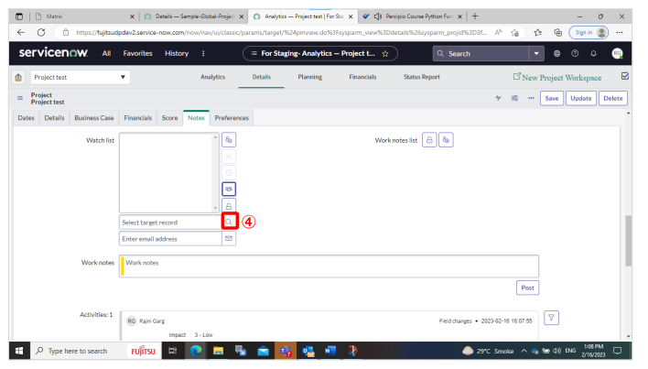

5 | Click " " in the "Watch List".

Estimated scale (Page) regist
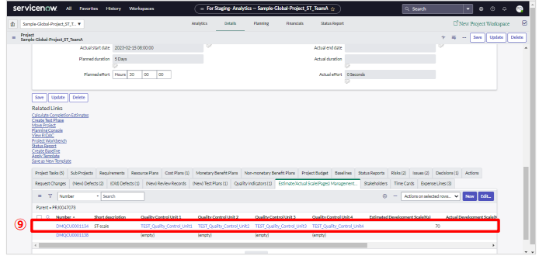
Table of contents

Estimated scale (Page) regist
Register the estimated scale (pages). You can register the estimated size (page) separately for each unit you want to manage.
If you register multiple estimated sizes (pages) for one project, the total value will be displayed on the dashboard.

 | (If you continue from project registration, start from step 5.)
1 | Select "All" from the top menu.
2 | Enter "Project" in the filter of the menu, and select "Project workspace" under "Project".
3 | Select the project that you are in charge of.
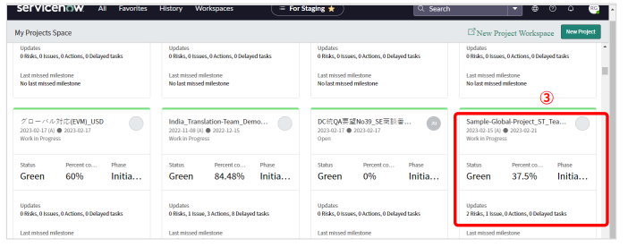
 |  |  | PT Estimated scale
 |  |  | Short description | User registration
 |  |  | Estimated Development Scale(Ks) | 1
 |  |  | Quality Control Unit 1 | yournameProjectAll
 |  |  | Quality Control Unit 2 | yourname_business
 |  |  | Quality Control Unit 3 | yourname_User registration

4 | Select the "Details" menu.
5 | Select the “Estimate/Actual Scale (Pages) Management” tab.
6 | Click the "New" button.
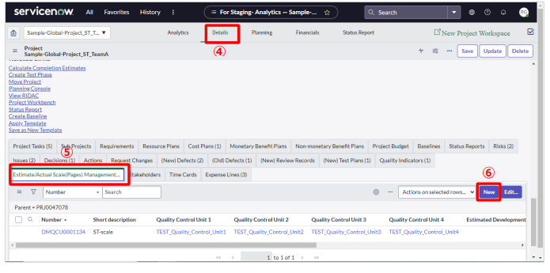

7 | The “Estimate/Actual Scale (Pages) Management” screen will be displayed. Enter the applicable items.
8 | Click the "Submit" button.

 | item name | concents
 | Short description | Describe the target of the scale to be registered. Example: ABC screen
 | Quality Control Unit 1 | Select the appropriate one from the options set in advance in "Register quality control unit". If you have not set the quality control unit selection, please enter it again after setting the selection.
 | Quality Control Unit 2
 | Quality Control Unit 3
 | Quality Control Unit 4
 | Estimated Development Scale(Ks) | Enter the estimated development scale for the PG, PT, and IT processes. Please replace Ks with KLOC.
 | Number of scheduled document page | For the UI, SS, PS, PT preparation, and IT preparation processes, enter the number of pages of the document to be created.
 | *For a detailed explanation of each item, please refer to "5.1.2 Project" in "Usage Guidelines" on the DP site.
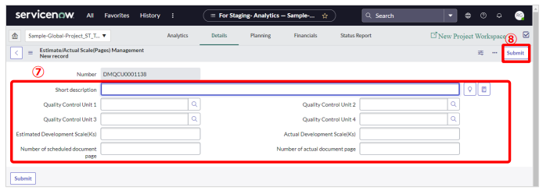

9 | The “Project” screen will be displayed. Confirm that the registered estimate scale (Pages) is registered.

Quality Indicator Registration
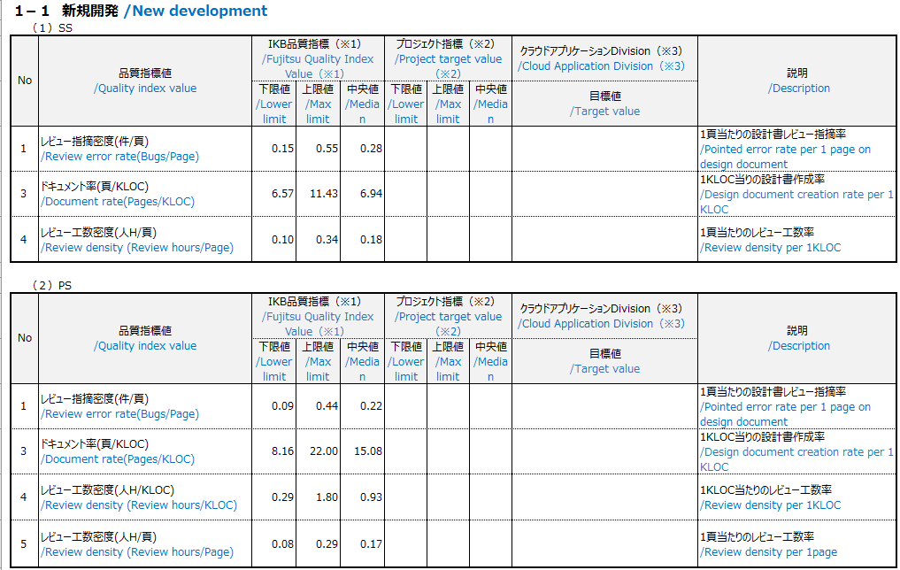
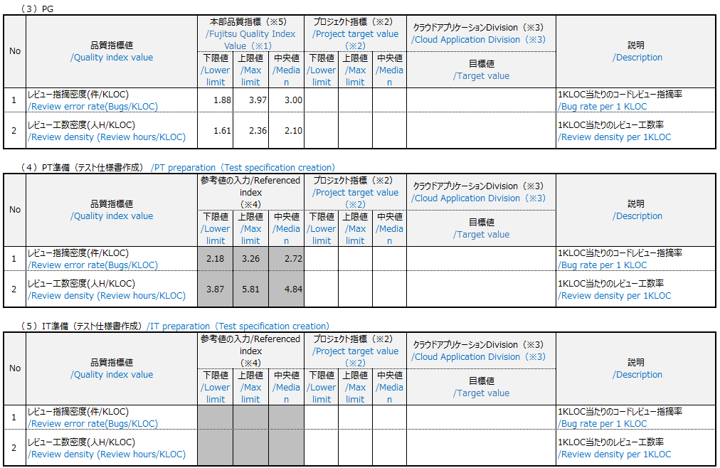
Table of contents

Quality Indicator Registration
Register the permissible range (upper limit, lower limit) of the project's quality index.
Please refer to "F01M04A14_Attachment_14 Quality Management Index-value.xlsx" to enter each value.
The registered values are displayed on the quality status dashboard.

 |  | source
1 | Select the "Details" menu on the displayed Project screen | ServiceNow_ITBM_UserGuide_Eng_Translated.pdf
2 | Select the "Quality Indicators" tab. | 3.1.2 Quality Indicator Registration
3 | Click the "New" button.
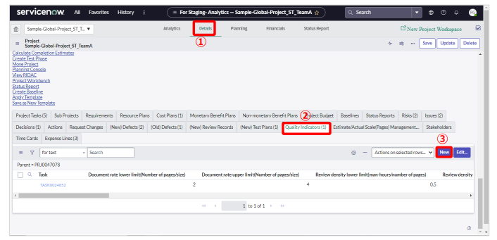

 |  |  | PT Quality Indicator
 |  |  | Item | lower limit | upper limit
 |  |  | Failure density (number of cases/size) | 1.4 | 4.9
 |  |  | Test density (number of items/size) | 44.1 | 126.4

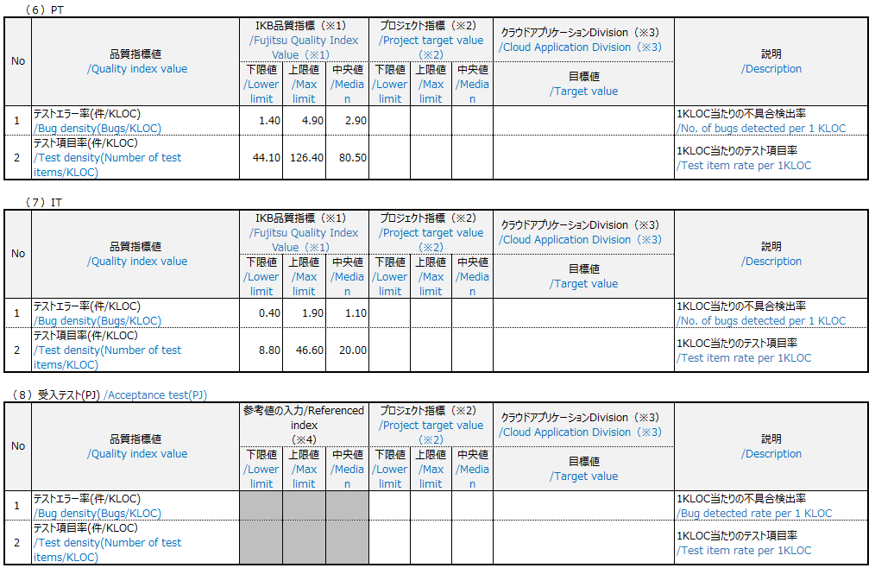
 |  |  | Reference) The following is "F01M04A14_Attachment_14 Quality Management Index-value.xlsx" as of March 2023.
 |  |  | Please check the latest version for actual figures.
4 | The “Quality indicators” screen will be displayed. Enter the applicable items.
5 | Click the "Submit" button.
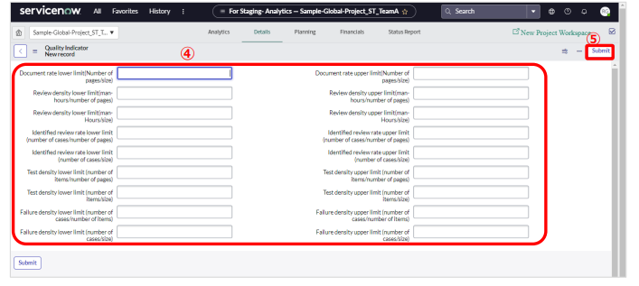

 | The unit on ServiceNow is "Ks".
 | In the project plan, the scale is written as KLOC. Please replace Ks with KLOC.

Project task registration
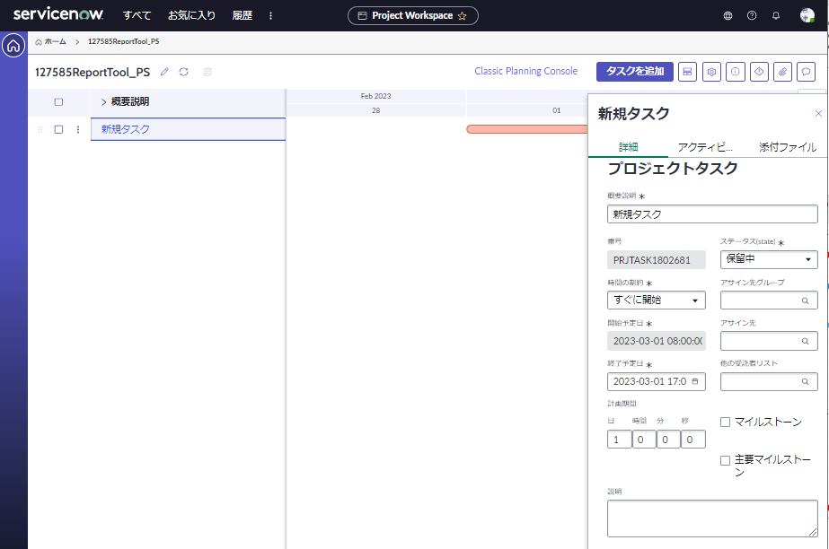
Table of contents

Project task registration
 | Register a project task (WBS).

 |  | Project tasks can also be registered using the <Bulk Ticket Update Tool>.
 |  | We are preparing a template file for batch registration tool registration.
 |  | For <ticket bulk update tool>, please refer to "■Migration support tool".
 |  | ■ Link to the tool
 |  |  | *As of March 22, 2023, only the Japanese version is provided.

 | (1) Register a project task from the "Details" menu on the project screen
 |  | For example, when continuing from project registration
 | (2) Register project tasks from "Plan" in "Classic Planning Console"
 |  | When registering multiple project tasks continuously

(1) Register a project task from the "Details" menu on the project screen

1 | Display the screen of the project and select the "Details" menu.
2 | Click "Project Tasks" tab.
3 | Click "New".
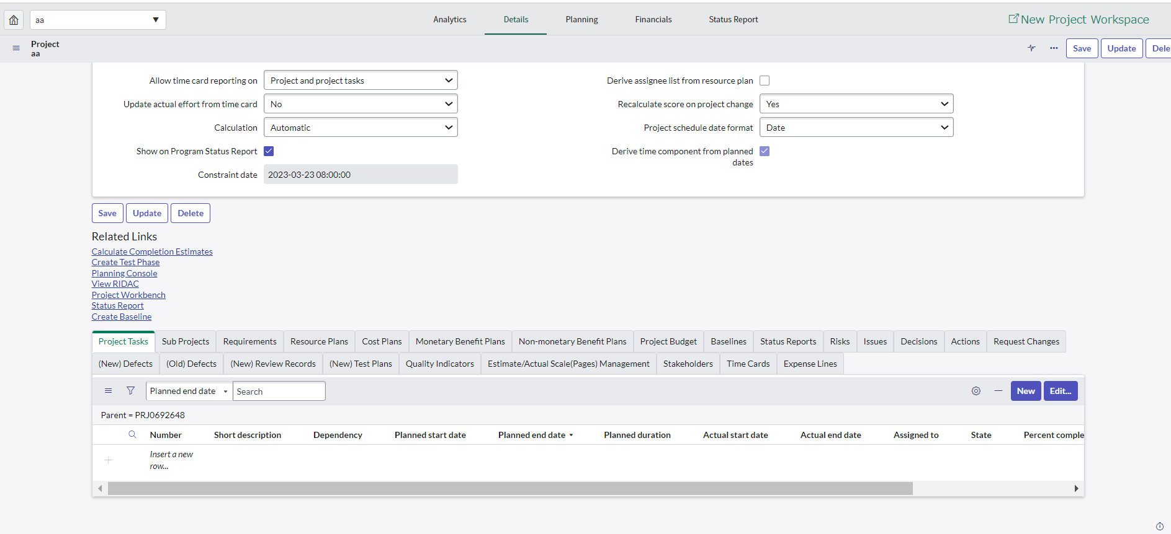
1

2
3

4 | The Project Tasks screen will be displayed. Enter the applicable items.
5 | Click the "Save" button.

 | item name |  | contents
 | Short description |  | Enter a title for the project task.
 | Time constraint |  | Choose from: ・ Start ASAP ・ Start on specific date ・ Start no eariler than ・ Start no later than
 | Planned end date |  | Enter the expected start date of the task. The date cannot be changed if "Time Constraint" is set to "Start ASAP". Change the "Time Constraint" to "Start on a specific date" and then change the day.
 | Planned duration |  | Enter the expected finish date for the task.
 | State |  | For "State" select "Work in progress" when the task is started, and "Closed complete", "Closed incomplete" or "Closed skipped" when the task is closed, depending on the closing status.

5
4
 |  |  |  |  | PT Tasks
 |  |  |  |  | Short description | Test run | Test result review
 |  |  |  |  | Planned start date | 2023-06-01 | 2023-06-09
 |  |  |  |  | Planned end date | 2023-06-08 | 2023-06-16
 |  |  |  |  | Assigned to | Yourname | Yourname
 |  |  |  |  | Test plan | User registration test plan_yourname
 |  |  |  |  | Planned effort | 42H | 42H

6 | A detail screen is displayed. Enter the applicable items.
7 | Select the "Date" tab and enter the "Planned end date" and "Planned effort".
8 | Click the "Update" button.
 | item name |  | contents
 | Planned effort |  | The value of "Planned effort" is recorded when the "State" becomes either "Closed complete", "Closed incomplete", or "Closed skipped", and the cost EV (Earned Value) value is visualized on the dashboard. Once the task is completed, enter the Actual effort. If you cannot enter "Actual effort"
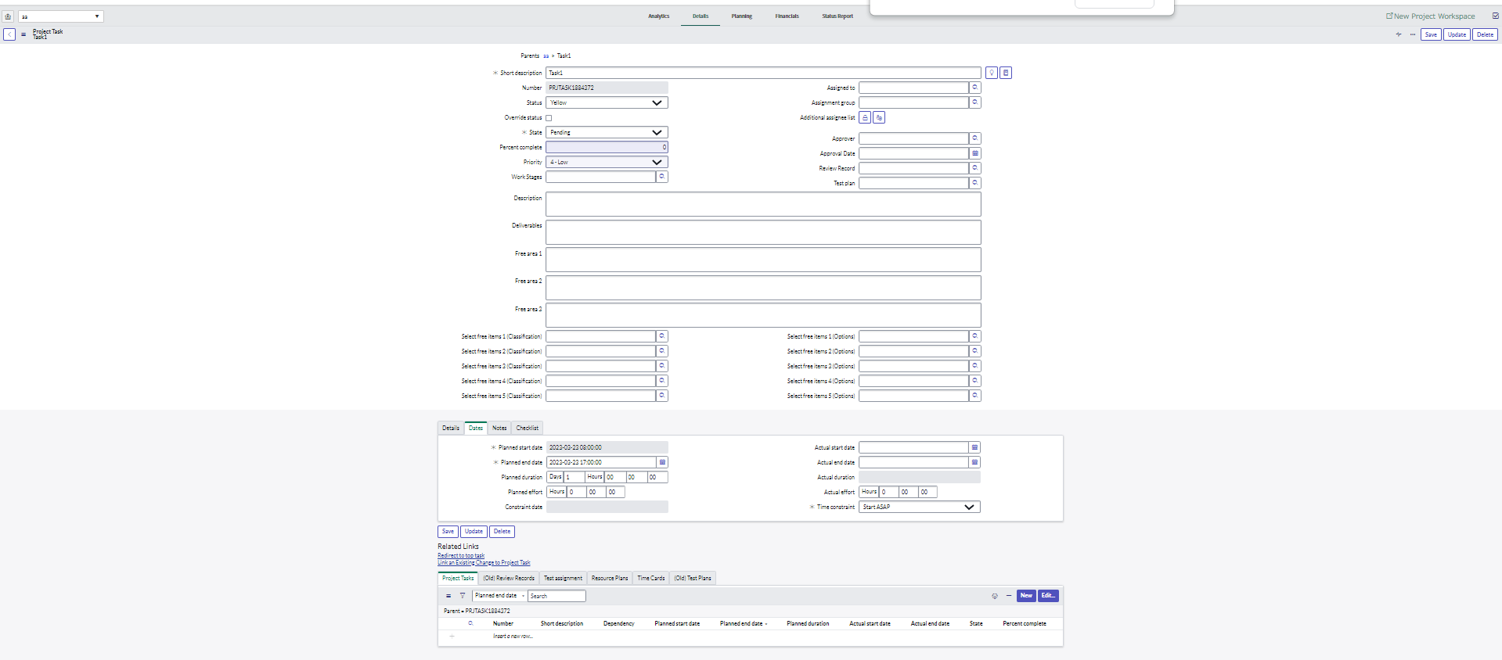
8

6

7

(2) Register project tasks from "Plan" in "Classic Planning Console"
 |  |  |  | source
1 | Select the "Planning" menu on the displayed Project screen |  |  | ServiceNow_ITBM_UserGuide_Eng_Translated.pdf
2 | Select "Planning console" and Click the "+" button |  |  | 3.1.3 Task Registration

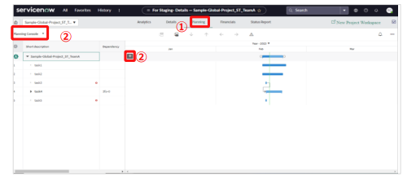

3 | Enter the task name.
4 | To lower the task level, select the task and click "→"

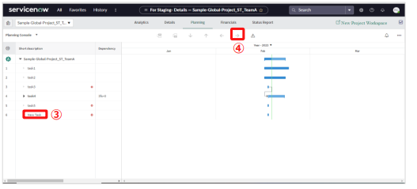

5 | Right click on the task and select the "Edit".

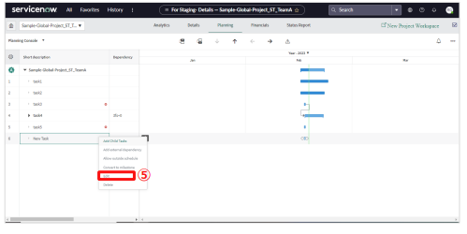

6 | The Project Tasks screen will be displayed. Enter the applicable items.

 | item name |  | contents
 | State |  | For "State" select "Work in progress" when the task is started, and "Closed complete", "Closed incomplete" or "Closed skipped" when the task is closed, depending on the closing status.

7 | Select the "Dates" tab and enter the "Planned End Date" and "Planned Effort".
 | item name |  | contents
 | Planned Effort |  | The value of "Planned effort" is recorded when the "State" becomes either "Closed complete", "Closed incomplete", or "Closed skipped", and the cost EV (Earned Value) value is visualized on the dashboard. Once the task is completed, enter the Actual effort. If you cannot enter "Actual effort", set "3.1.1 Project Registration Note Input settings for actual effort".

8 | Click the "Update" button.
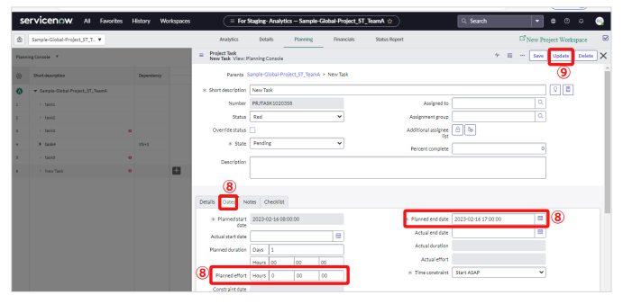

6

9 | The Gantt chart will be displayed.

 |  | Task granularity
 |  | ■Do task activities without omissions to ensure that the necessary work is performed.
 |  | ＜Examples of operational team activities＞
 |  | Design process: Creation, internal review, user review
 |  | Production process: Coding, source code review, PT specification writing, PT specification review, PT, PT result review
 |  | Test process: Test specification writing, test specification review, testing, test result review

 |  | ■To ensure that delays can be monitored at the weekly progress meeting, organize the task in such a way
 |  | so that one task will not take more than a week (Approximate)

 |  | You can also add tasks in "New Project Workspace". However, only some items can be set.
 |  | After registering the project task in "New Project Workspace", switch to "Classic Planning Console" and set the detailed items.

Test plan registration
Table of contents

Test plan registration
 | Register a test plan for the test process.
 | Register a test plan and test cycle in the test. After registering the test plan, register the test cycle under it. |  |  | source
 |  | ・Test plan :Register the planned start date, planned end date, total test items, etc. |  | ServiceNow_ITBM_UserGuide_Eng_Translated.pdf
 |  | ・Test cycle :Register the number of test performed (Planned), the number of failure detected (Planned), etc. |  | 3.1.5 Test Plan Registration
 | Based on the information registered here, the quality status will be visible on the dashboard in real time.

 |  | It is recommended to register test cycle information with the <Results registration tool (test specifications and results, PT failure slip)>.
 |  | Please refer to "■Migration support tool" for <Results registration tool (test specification and result sheet, PT trouble sheet)>.
 |  | ■Link
 |  |  | *As of March 22, 2023, only the Japanese version is provided.

(1)Test plan registration
Register a test plan for the project.
Even when using the <Results registration tool (test specifications and results, PT trouble sheet)>, it is necessary to register the test plan on the ServiceNow screen.

 |  | Link project tasks and test plans to manage progress
 |  | For the operation method, please refer to the "Associating with tasks" sheet.

1 | Select the "Details" menu on the displayed Project screen.
2 | Select the "(New) Test Plans" tab.
3 | Click the "New" button.

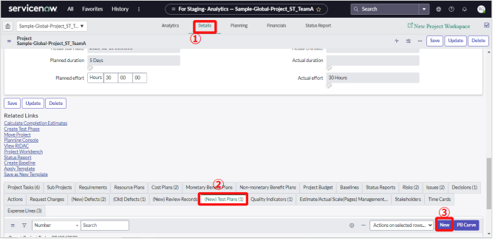

 |  |  |  |  | Test plans
 |  |  |  |  | Name | User registration test plan_yourname
 |  |  |  |  | Total Number of test items | 60
 |  |  |  |  | Planned start date | 2023-06-05
 |  |  |  |  | Planned end date | 2023-06-07
 |  |  |  |  | Quality Control Unit 1 | yournameProjectAll
 |  |  |  |  | Quality Control Unit 2 | yourname_business
 |  |  |  |  | Quality Control Unit 3 | yourname_User registration
 |  |  |  |  | State | Pending

 |  |  |  |  | Test Cycle
 |  |  |  |  | Test plans name | User registration test plan_yourname | User registration test plan_yourname | User registration test plan_yourname
 |  |  |  |  | Name | TestA | TestB | TestC
 |  |  |  |  | Test Date | 2023-06-05 | 2023-06-06 | 2023-06-07
 |  |  |  |  | Number of test performed planned | 20 | 20 | 20
 |  |  |  |  | Number of failures detected planned | 1 | 1 | 1

4 | The “Test plans” screen will be displayed. Enter the applicable items.
 | item name |  | contents
 | Name |  | Enter the name of the test plan
 | Planned start date |  | Enter the planned start date and planned end date of the test period in "Planned start date" and "Planned end date". For the test schedule in units of one day, create it as a test cycle.
 | Planned end date
 | Total Number of test items |  | Total number of testitems" is aggregatedand visualized on the dashboard.
 | Quality Control Unit 1 |  | Select the appropriate one from the options set in advance in "Quality control unit registration". If you have not set the quality control unit selection, please enter it again after setting the selection.
 | Quality Control Unit 2
 | Quality Control Unit 3
 | Quality Control Unit 4

5 | Click the “Submit” button.
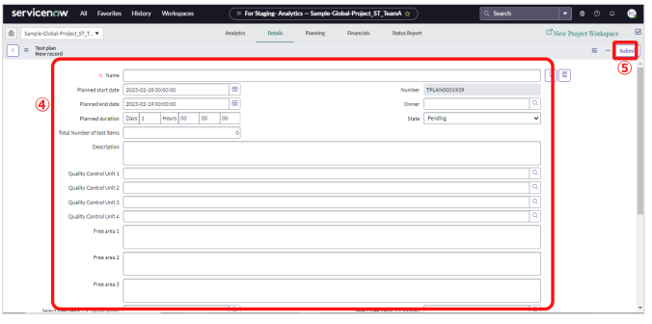

(2) Test cycle registration
Register test cycles. Register the test cycles under the test plans

1 | Select the "Details" menu on the displayed Project screen.
2 | Select the "(New) Test Plans" tab.
3 | Click the appropriate test plan.

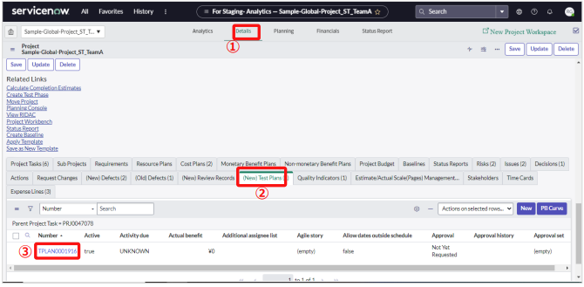

4 | The “Test plan” screen will be displayed. Click the "New" button from the test cycle list.

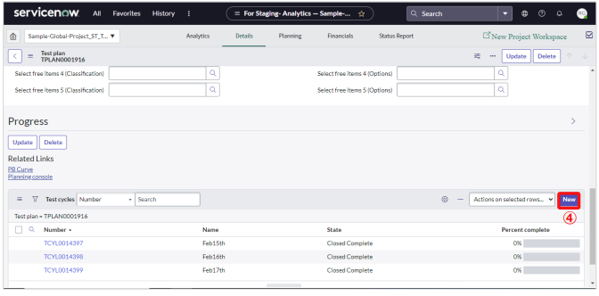

5 | The "Test Cycle" screen will be displayed. Enter the relevant items.
 | item name |  | contents
 | Name |  | Enter a name for the test cycle
 | Planned start date
 | Planned end date
 | Number of test performed planned |  | Enter the planned number of digestion test items.
 | Number of test performed actual
 | Number of failures detected planned |  | Describe the planned value for the number of detected failures.
 | Number of failures detected actual
 | Test date |  | At the time of the test plan, enter the plan test date on the "Test date".
 | Percent complete |  | Even if you change "Status",it will not be reflected in"Completion rate (%)". If you want to see the progress rate of your tests, check the quality control status (Testing) dashboard.
 | * For items other than the above, please refer to the "Usage Guidelines" and "5.1.6 Test Plan" on the DP site.

 |  | If you enter the "Number of test performed planned", "Number of failures detected planned", and "Test date",
 |  | it will be visualized on the dashboard as a PB curve. The PB curve is displayed based on the "Test date".
 |  | When planning the test, enter the planned date of test execution in "Test date".

Associating with tasks
Table of contents

When linking project tasks to review records and test plans
Progress can be managed by linking project tasks to review records and test plans.
The following operating procedure is an example of linking review records, but the same is applicable for test plans

(1) Associating project tasks with review records
 | The following operation procedure explains how to link review records. | source
 |  | ServiceNow_ITBM_UserGuide_Eng_Translated.pdf
1 | Select the "Details" menu on the displayed Project screen.
2 | Select the "Project Tasks" tab and click the "Number" of the target task.
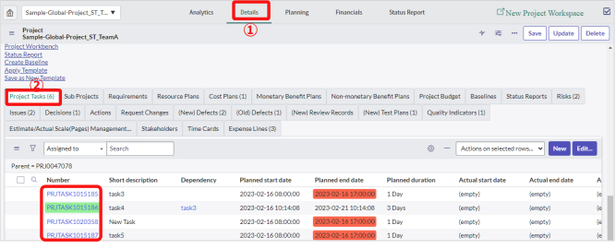

 |  |  | Reference from "TypeAPJ_Project structure.pptx"
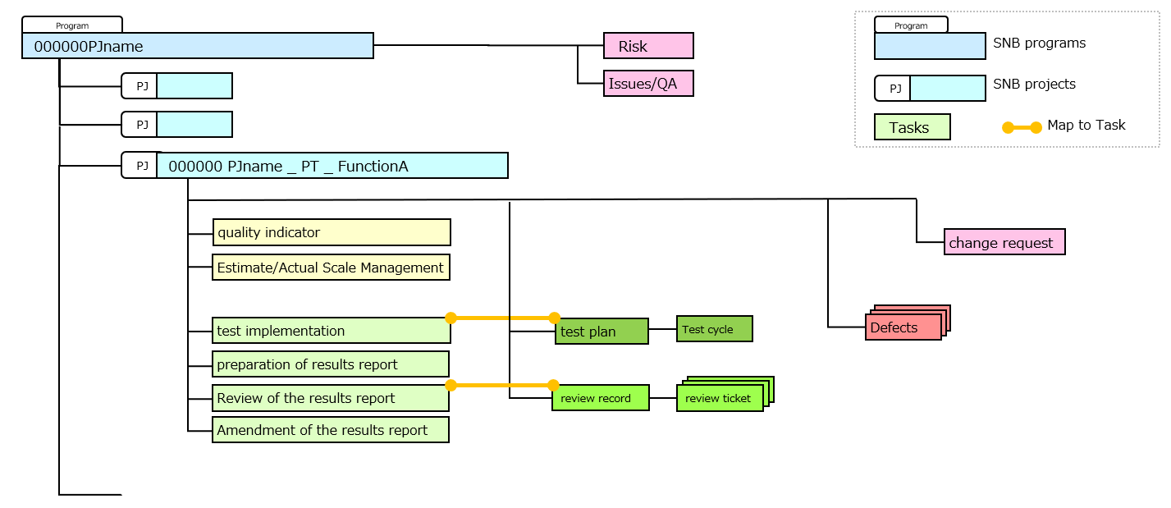

3 | The "Project Tasks" screen will be displayed. Click " " under "Review Record”.
 | *When linking the test plan, click " " of "Test plan”.
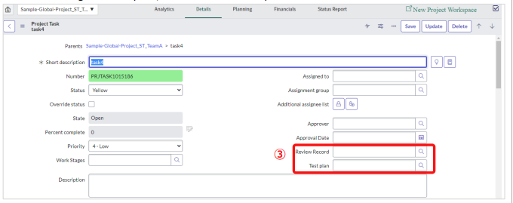

4 | A list of review records registered on the "(New) Review Records" screen will be displayed
 | Select the appropriate review record.

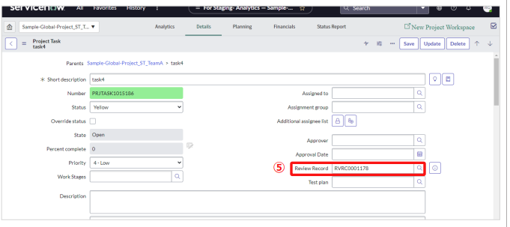
5 | The number of the review record to which it is linked will be displayed.

(2)How to check the "Review Records" and "Test Plans" that are linked together.

1 | Display the screen of the project and select the "Details" menu.
2 | Select the Project Tasks tab.
 | "Review record" and "Test plan" linked to the right end of the list of project tasks are displayed.
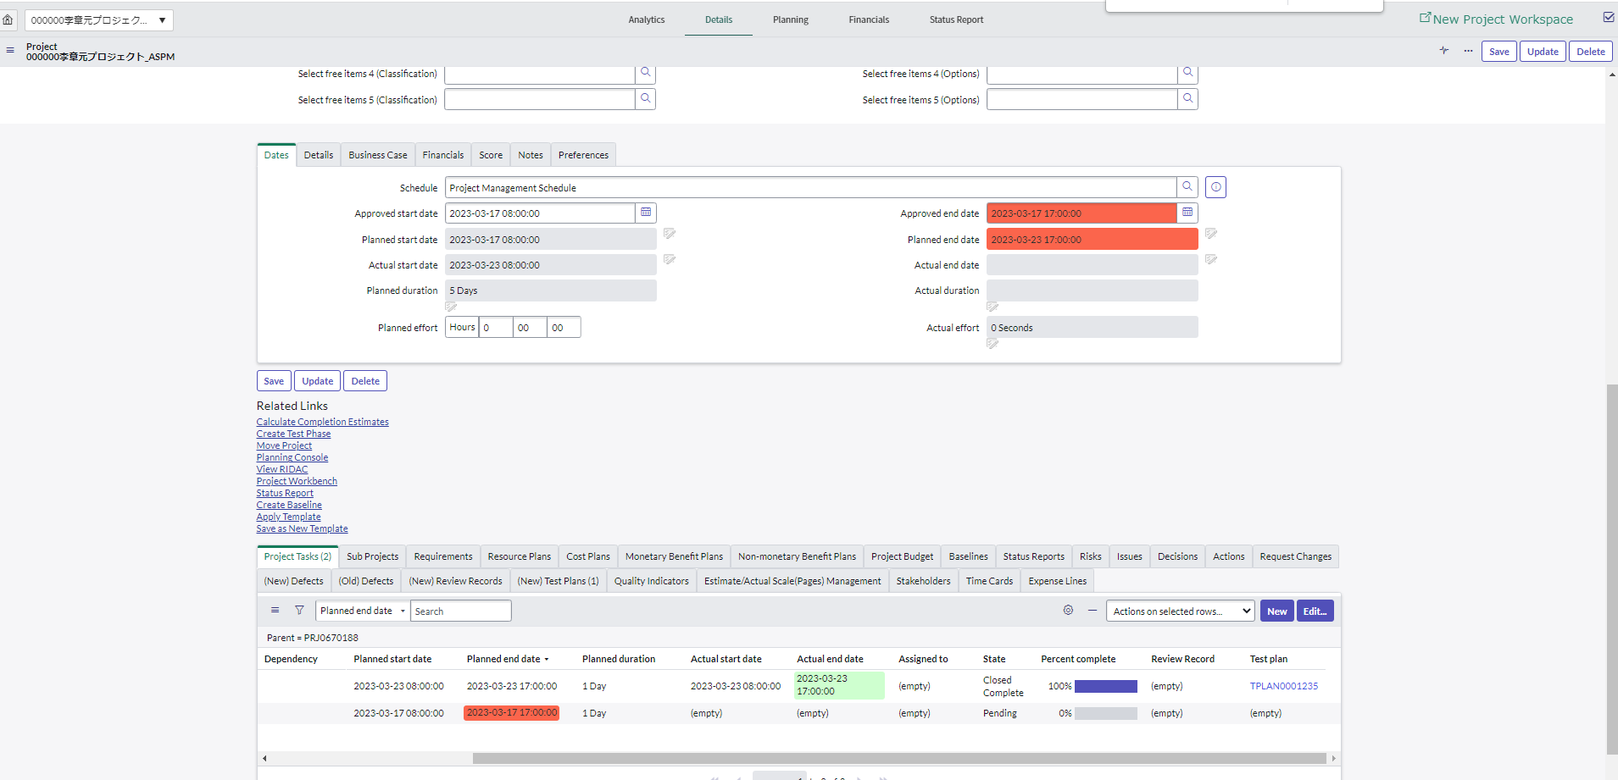
1

2

Check project status
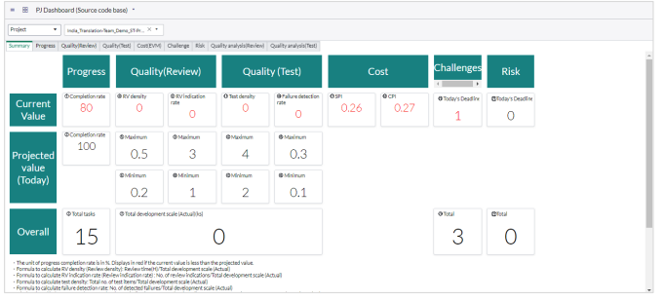
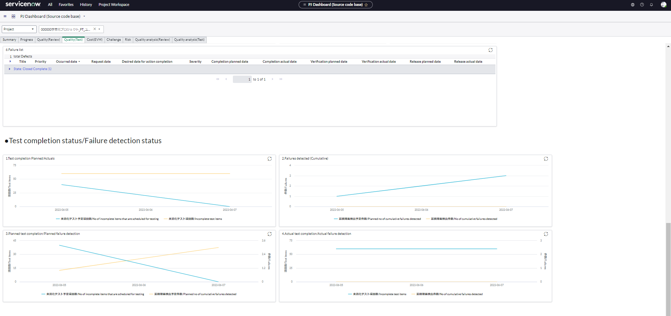
Table of contents

Check project status
 | Check project status in ServiceNow.

 | （1）Utilization of Gantt chart
 | （2）Utilization of dashboard

（1）Utilization of Gantt chart
 | Projects created on ServiceNow (ITBM) have two types of workspaces.
 | Both workspaces work with the same data. You can switch between them by clicking
 | classic planning console or "new project workspace" at the top of the screen.

 | ■New Project Workspace
 | You can visually see the task status.
 |  | ~Features~
 |  | ・Overview of task status
 |  | ・Register tasks while checking the schedule
 |  | ・Check the schedule while looking at the Gantt chart

 | ■Classic Project workspace
 | You can manage the detailed contents of the project by switching between "Analytics", "Details" and "Planning". You can also manage change requests, Defects, and more.

 |  | ~Features~
 |  | ・Check/update project details
 |  | ・Check/update assigned tasks
 |  | ・Confirm/update task status and failure status

（2）Utilization of dashboard
 | You can check the project status on the dashboard.
 | For how to operate the dashboard, refer to the following.
 | Usage Guidelines of the DP site "3.3 Confirmation of the Project Status on the Dashboard"

Confirmation of time card
Table of contents

Confirmation of time card
 | Check each member's work hours for the week.

1
1 | On the Projects screen, click the Timecards tab.
 | Timecards for all members will be displayed.
2 | Click
2

3 | Filter like this
 | ・ | Week start on
 | ・ | on
 | ・ | Tish week

4 | Click "Run"

4
3

5 | The current week is displayed. Review the working hours of each member.
 | You can also click the "And" button to add "User" to the filtering conditions.
 | *With the current specifications, the timecard list cannot be exported. Please use it for confirmation on the screen.。

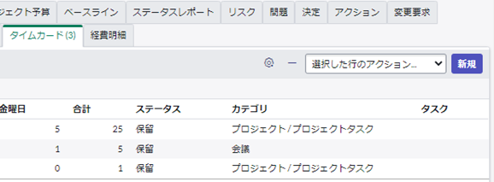
 |  | To display "Category"

 | 1 | Cilck

1

 | 2 | Select "Category" and click ">".
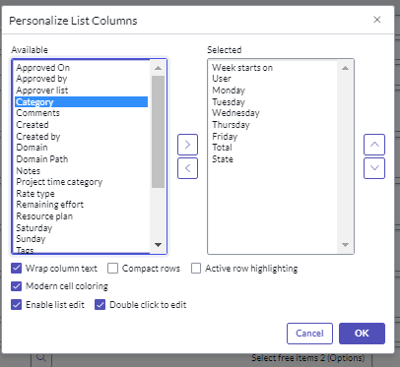

2

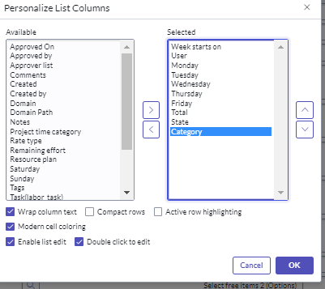
 | 3 | "Category" is displayed on the right. Click OK.

3

Registration of task for re-rev
Table of contents

Registration of task for re-review
Describes how to register project tasks for re-review.
Please refer to the "ServiceNow User's Guide (Developer Edition)" "Re-review Settings" sheet for the flow of responses during re-review.

 |  | This section describes how to add a parent task and change the structure
 |  | so that the first review task and the re-review task are child tasks.
 |  | There is also a way to have the task structure on the right when the project starts.
Review
Review
Review record
1st review
Review record

2nd review
Review record

1 | Click "New Project Workspace".
1

2 | Right-click a project task and select Add task above.
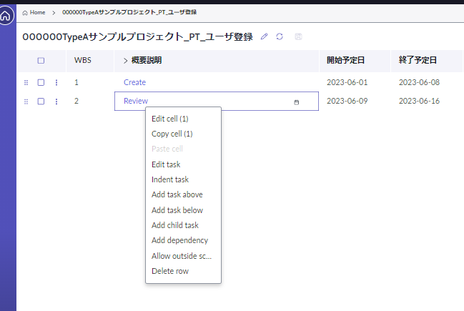

2

3 | A new task is added. This will be the parent task. Rewrite the new task summary description to something like "Review".

3

4 | Click the original project task. A detailed screen will appear on the right.
5 | Rewrite the description to indicate that this is the first review.
6 | Click "Update".

4
5

6

7 | Right click on the original project task and select "Add task below"。
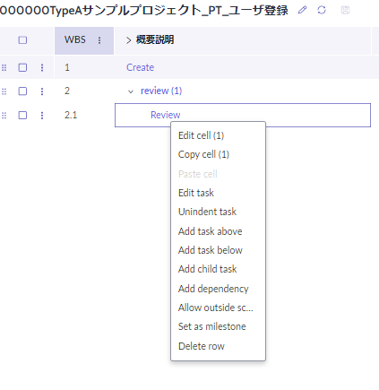

7

8 | Click the added task. A detailed screen will appear on the right.
9 | Rewrite the description to indicate that this is the second review.
10 | Click "Update".
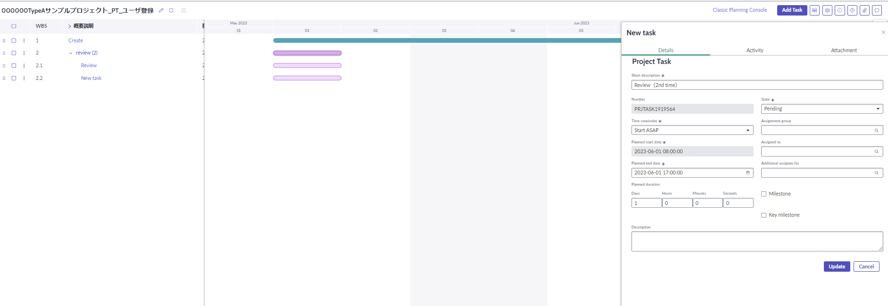

8
9

10

11 | Associate the review record for re-review.
 | Please refer to the "Associating with tasks" sheet for the operation method.

Request Changes Management
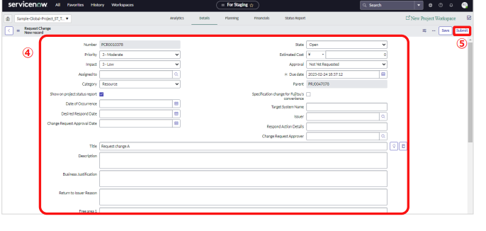
Table of contents

Request Changes Management |  | source
Register, update, and manage the change requests that occurred during the project operation. |  | ServiceNow_ITBM_UserGuide_Eng_Translated.pdf
Once the change request has been resolved, a project task is created. |  | 3.2.7 Request Changes Management

1 | Select the "Details" menu on the displayed Project screen.
2 | Select the "Request Changes" tab.
3 | Click the "New" button.
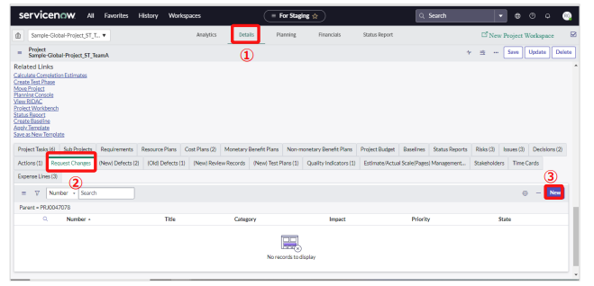

4 | The "Request Changes" screen will be displayed. Enter the appropriate field.

 | For "State" select "Work in progress" at the time the response to the change request is initiated,
 | and "Closed Completed," "Closed Incomplete," or "Closed Skipped" when the response is closed,
 | depending on the closing status.
 | Select "Specification change for Fujitsu’s convenience" if the specification change is caused by Fujitsu.

5 | Click the "Submit" button.

Quality evaluation and Review
Table of contents

Quality evaluation report
Create a project quality assessment report.

 |  | The quality evaluation report is created with the <Quality Evaluation Report Creation Support Tool>.
 |  | Recommended to register the Defects with <result registration tool (test specifications and results, PT Defects)>.
 |  | ■result registrations tool

 |  |  | *As of March 22, 2023, only the Japanese version is provided.

 | Reference) From "Quality Evaluation Report Usage Guide"
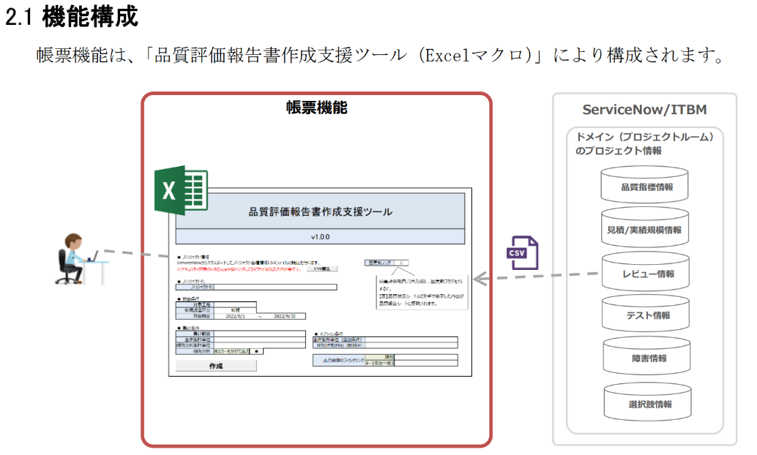

Furikaeri Report
 | Refer to the ServiceNow Utilization Guide (Progress Report and Furikaeri).

